2 - Phasing Nomenclature
` Table of Contents

Specify your labels
here. Repeat text if necessary. Leave blank if not included in your scope
Specify your labels
here. Repeat text if necessary. Leave blank if not included in your scope
7 - Phasing Nomenclature |  |  |  |  |  | What do you call your phases?
Why we we asking:
 | 1. To normalize the naming convention across all investments.
 | 2. Math Models are based on Costing Sub-Phase.
 | 3. We want to output results in your naming convention and scope.

 | Based on IGMF rev E |  |  | Based on CSA-FIN-RPT-0072
Phasing according to |  |  | Phasing according to |  |  | Phasing according to
EPMO |  |  | Costing |  |  | PM
 |  |  | PREP | PREP 1 | Prototyping Activities (before Gate 1)
Pre-Project | Option Analysis & Planning Phase | Pre-Phase 0 |  | PREP 2 | Prototyping Activities (during Phase 0/A)
 |  | Phase 0 | Phase 0/A | Phase 0 | Concept & Feasibility | Phase 0
Project | Definition Phase | Detailed Project Requirements |  | Phase A | Mission Requirements | Phase A
 |  | Preliminary Definition | Phase B/C | Phase B | Preliminary Design | Phase B
 |  | Detailed Definition |  | Phase C | Detailed Design | Phase C
 | Implementation Phase | Implementation | Phase D | MAIT | Manufacturing, Assembly, Integration and Test of Canadian Subsystems and Components | Phase D
 |  |  |  | SAIT | Spacecraft Level Assembly, Test | Phase D
 |  |  |  | LEOP | Lauch and early operations | Phase D
Post-Project | Post-Implementation Phase | Operations & Disposal | Phase E | Phase E | Nominal Operations (per design life) | Phase E
 |  |  | Phase E (EXT) | Phase X | Extended operations (mission extension)
 |  |  | Phase F | Phase F | Disposal (incl. post-mortem audit reports) | Phase F
 |  |  | Phase G | Phase G | Post-Mortem science utilization

3 - Phase Durations
` Table of Contents

7b - Phasing Durations
Why we we asking:
 | 1. Durations affect Govt Salaries calculations
 | 2. Durations affect Parametric estimates for Space segment, ground segment, ops
 | 3. Schedule Scenarios are inputs to sensitivity analysis

 | Schedule Scenario ID | 1
 | Scenario Name | Nominal Schedule Used by Gaby for RAM calculation (PM Nomenclature)
 | Scenario Description | The Schedule used for the salary calculations includes months of effort to prepare the governance
 | Rationale
 | Source Doc

 | Phase | Expected Start | Expected End | Total D | Total M | FY 2010 | FY 2011 | FY 2012 | FY 2013 | FY 2014 | FY 2015 | FY 2016 | FY 2017 | FY 2018 | FY 2019 | FY 2020 | FY 2021 | FY 2022 | FY 2023 | FY 2024 | FY 2025 | FY 2026 | FY 2027 | FY 2028 | FY 2029 | FY 2030 | FY 2031 | FY 2032 | FY 2033 | FY 2034 | FY 2035 | FY 2036 | FY 2037 | FY 2038 | FY 2039 | FY 2040 | FY 2041 | FY 2042 | FY 2043 | FY 2044 | FY 2045 | FY 2046 | FY 2047 | FY 2048 | FY 2049 | FY 2050
 | Phase 0 | 2027-03-29 | 2028-08-05 | 495 d | 16.3mo |  |  |  |  |  |  |  |  |  |  |  |  |  |  |  |  |  | 0.1 mo | 12.0 mo | 4.2 mo
 | Phase A | 2028-09-17 | 2034-04-28 | 2,049 d | 67.4mo |  |  |  |  |  |  |  |  |  |  |  |  |  |  |  |  |  |  |  | 6.4 mo | 12.0 mo | 12.0 mo | 12.0 mo | 12.0 mo | 12.0 mo | 0.9 mo
 | Phase B1 | 2034-05-16 | 2035-03-28 | 316 d | 10.4mo
 | Phase B2 | 2035-05-03 | 2036-07-11 | 435 d | 14.3mo |  |  |  |  |  |  |  |  |  |  |  |  |  |  |  |  |  |  |  |  |  |  |  |  |  |  | 11.0 mo | 3.4 mo
 | Phase C | 2036-08-11 | 2037-08-12 | 366 d | 12.0mo |  |  |  |  |  |  |  |  |  |  |  |  |  |  |  |  |  |  |  |  |  |  |  |  |  |  |  | 7.7 mo | 4.4 mo
 | Phase D | 2037-08-12 | 2040-09-02 | 1,117 d | 36.7mo |  |  |  |  |  |  |  |  |  |  |  |  |  |  |  |  |  |  |  |  |  |  |  |  |  |  |  |  | 7.6 mo | 12.0 mo | 12.0 mo | 5.1 mo
 | Phase E | 2041-03-29 | 2045-09-26 12:00:00 | 1,643 d | 54.0mo |  |  |  |  |  |  |  |  |  |  |  |  |  |  |  |  |  |  |  |  |  |  |  |  |  |  |  |  |  |  |  | 0.1 mo | 12.0 mo | 12.0 mo | 12.0 mo | 12.0 mo | 5.9 mo
 | Phase F | 2045-12-22 | 2046-03-22 | 90 d | 3.0mo
 | Phase X | 2046-05-26 | 2046-06-25 | 30 d | 1.0mo |  |  |  |  |  |  |  |  |  |  |  |  |  |  |  |  |  |  |  |  |  |  |  |  |  |  |  |  |  |  |  |  |  |  |  |  | 3.0 mo

PM's sched Scenarios
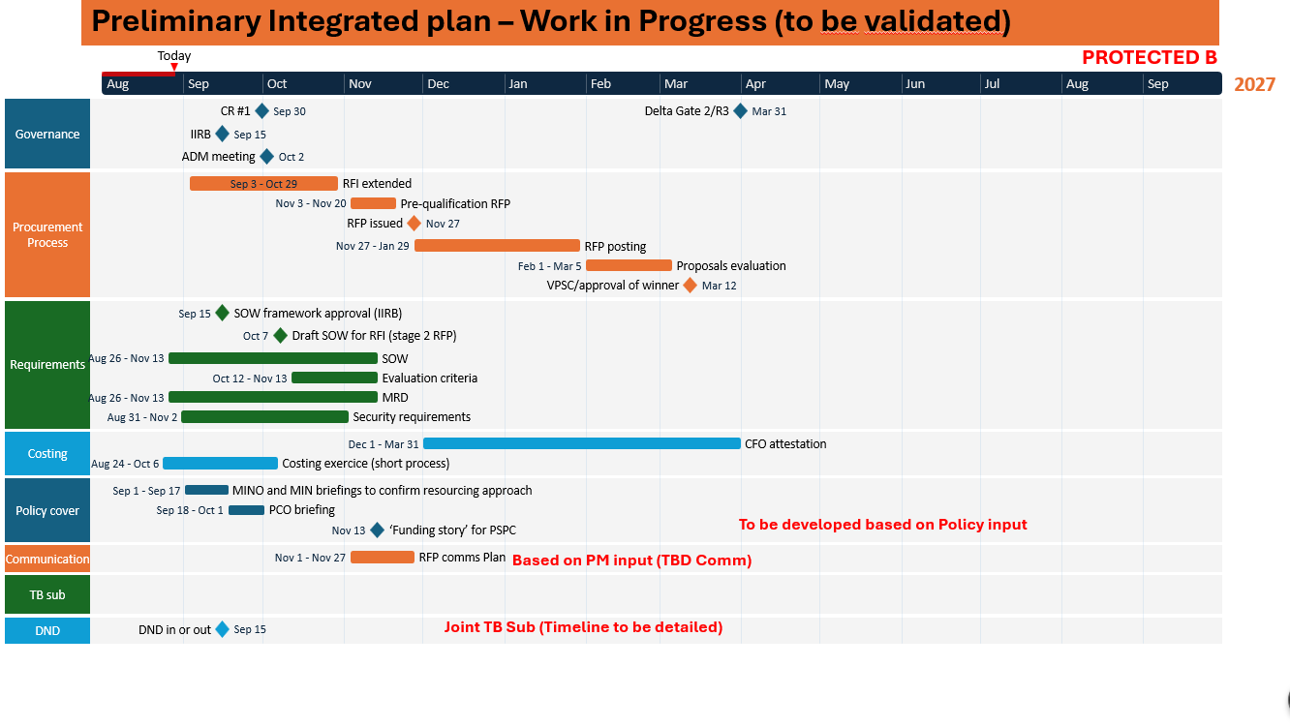
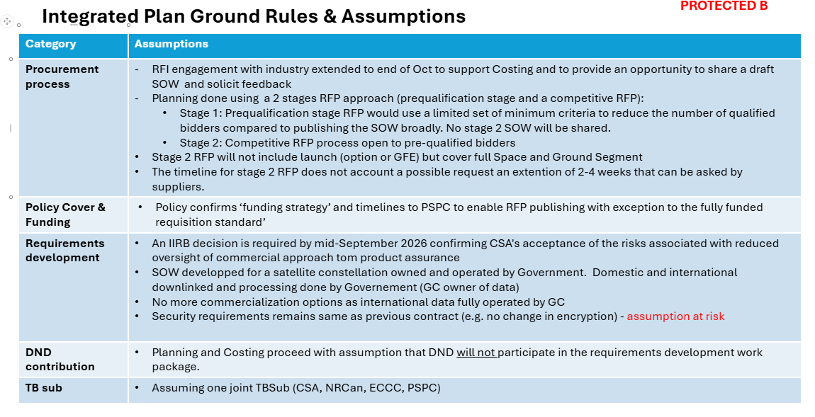
 |  | CA | 2027-10-01

Phase | Milestone | CSA | COS | DND | Worst case duration | Worst case (2 months delay) | realistic case duration | Baseline: Realistic case date (1 month delay par phase) | Optimistic case duration (EDA) | Optimistic case | Comments
B2 | Contract Award (CA) | CA | CA | CA | CA | CA | CA | 2027-10-01 | CA | CA | Kick-off is 1 month after contract award.
B2 | Payload PDR | CA + 5 mo | N/A | N/A | CA + 7 mo | 2028-05-01 | CA + 6 mo | 2028-04-01 | CA + 5 mo | 2028-02-01 | CSA develops the payload preliminary design and prepares for PDR.
B2 | Bus PDR | N/A | CA + 9 mo | N/A | CA + 11 mo | 2028-09-01 | CA + 9 mo | 2028-07-01 | CA + 8 mo | 2028-05-01 | COS is the selected bus vendor and proceeds with spacecraft bus development.
B2 | Preliminary Design Review (PDR) | CA + 5 mo | CA + 9 mo | N/A | CA + 11 mo | 2028-09-01 | CA + 9 mo | 2028-07-01 | CA + 8 mo | 2028-05-01 | Overall PDR establishes the preliminary integrated spacecraft design baseline.
C | Payload CDR | CA + 15 mo | N/A | N/A | CA + 18 mo | 2029-04-01 | CA + 15 mo | 2029-01-01 | CA + 13 mo | 2028-11-01 | CSA completes detailed payload design and payload-to-bus interfaces.
C | Bus CDR | N/A | CA + 18 mo | N/A | CA + 21 mo | 2029-07-01 | CA + 18 mo | 2029-04-01 | CA + 16 mo | 2028-08-01 | COS completes the detailed spacecraft bus design.
C | Overall CDR | CA + 18 mo | CA + 18 mo | N/A | CA + 21 mo | 2029-07-01 | CA + 18 mo | 2029-04-01 | CA + 16 mo | 2028-08-01 | Final integrated spacecraft design is reviewed before manufacturing.
D | Manufacturing Readiness Review (MRR) | CA + 20 mo | CA + 20 mo | N/A | CA + 23 mo | 2029-09-01 | CA + 20 mo | 2029-06-01 | CA + 18 mo | 2029-04-01 | Confirms readiness to begin major spacecraft and payload manufacturing.
D | Flatsat Integration & Test | CA + 24 mo | CA + 24 mo | N/A | CA + 27 mo | 2030-01-01 | CA + 24 mo | 2029-10-01 | CA + 22 mo | 2029-08-01 | Verifies avionics, software, communications and payload interfaces before flight integration.
D | Flight Hardware Complete | CA + 30 mo | CA + 30 mo | N/A | CA + 34 mo | 2030-10-01 | CA + 30 mo | 2030-04-01 | CA + 27 mo | 2030-01-01 | Flight hardware for both spacecraft is complete and ready for environmental testing.
D | Environmental Test Readiness Review (ETRR) | CA + 31 mo | CA + 31 mo | N/A | CA + 35 mo | 2030-11-01 | CA + 31 mo | 2030-05-01 | CA + 28 mo | 2030-02-01 | Confirms readiness for spacecraft-level environmental testing.
D | Payload 1 ready for integration | CA + 26 mo | N/A | N/A | CA + 30 mo | 2030-06-01 | CA + 26 mo | 2029-08-01 | CA + 23 mo | 2029-08-01 | CSA delivers the first flight payload for integration with the COS spacecraft bus.
D | Acceptance Review (AR/SAR) | CA + 35 mo | CA + 35 mo | N/A | CA + 40 mo | 2031-02-01 | CA + 35 mo | 2030-09-01 | CA + 32 mo | 2030-05-01 | Confirms completion of acceptance testing and required verification activities.
D | Launch Readiness Review (LRR) | CA + 37 mo | CA + 37 mo | N/A | CA + 42 mo | 2031-04-01 | CA + 37 mo | 2030-11-01 | CA + 34 mo | 2030-07-01 | Confirms spacecraft, ground segment, launch-site and operations readiness.
D | Flight Units Complete | CA + 37 mo | CA + 37 mo | N/A | CA + 42 mo | 2031-04-01 | CA + 37 mo | 2030-11-01 | CA + 34 mo | 2030-07-01 | Both SAM spacecraft are integrated, tested and accepted for launch.
D | Launch | CSA support | COS support | N/A | CA + 39 mo | 2031-06-01 | CA + 39 mo | 2031-01-01 | CA + 36 mo | 2030-09-01 | Commercial launch of the two spacecraft into the required HEO configuration. | 56 MOIS
D | Commissioning Complete Review (CCR) | CSA support | COS support | N/A | CA + 42 mo | 2031-09-01 | CA + 42 mo | 2031-04-01 | CA + 39 mo | 2030-12-01 | Confirms completion of spacecraft checkout, payload activation, calibration and initial imaging.
D | LEOP & Commissioning Complete | CSA support | COS support | N/A | CA + 42 mo | 2031-09-01 | CA + 42 mo | 2031-04-01 | CA + 39 mo | 2030-12-01 | Launch and Early Orbit Phase followed by commissioning of both spacecraft and establishment of coordinated HEO operations.
E | Operation | CSA support |  | DND OPS | CA + 43 mo | 2031-10-01 | CA + 43 mo | 2031-05-01 | CA + 40 mo | 2031-01-01 | Routine mission operations begin following successful commissioning; Government of Canada performs mission operations.

